Sheet1
 |  | Document No. | Issue No. | Issue Date |  | Review and Replace Date |  | Authorised By
 |  | GFF066MC | 1 | 17.12.2018 |  | New Issue
 |  | Document Title | PANANG CHICKEN CURRY & BLACK RICE 400g
 |  | Cross Ref: BRC 7 | Page 1 of 1 |  | Clause |  | 6.1 | Magda Shah
Document amendments reason for change |  | New product launch |  |  | Previous Issue Date |  | New Issue | Uncontrolled copy unless signed original

FCPANR-R8TMC | MINDFUL CHEF |  | PANANG CHICKEN CURRY & BLACK RICE 400g │ FROZEN
STEP 1 |  |  | STEP 2 |  |  |  | STEP 3
 |  |  | 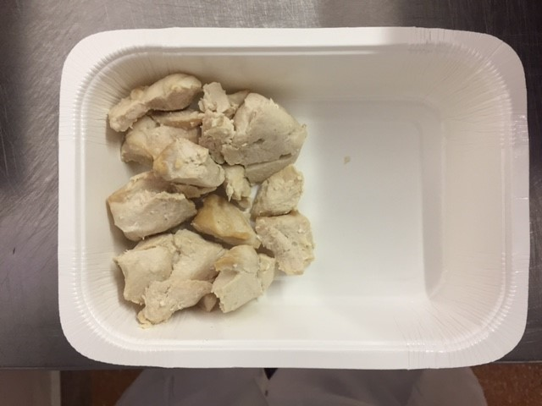 |  |  |  | 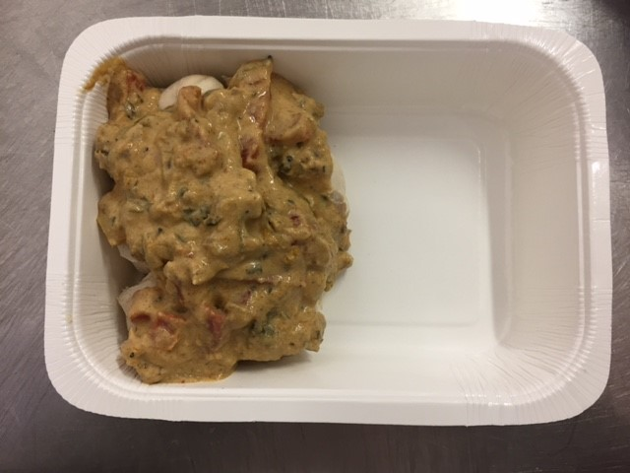

Tray: WHITE OVENABLE BOARD TRAY (PKSOU002-01) |  |  | PANANG CHICKEN (GFF237R) 110g |  |  |  | PANANG CURRY (GFF236R) 135g
Film: 145 X 100 X 250 (PKWRA001-07)
STEP 4 |  |  | STEP 5 |  |  |  | STEP 6
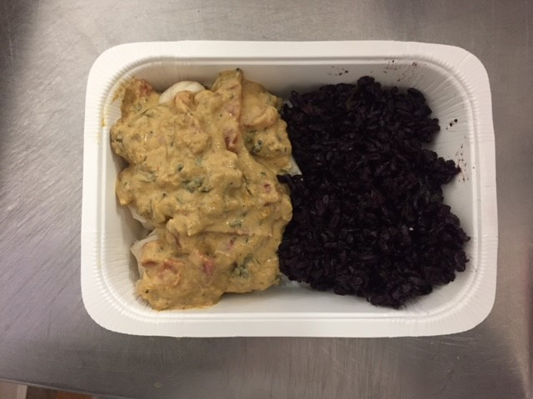 |  |  | 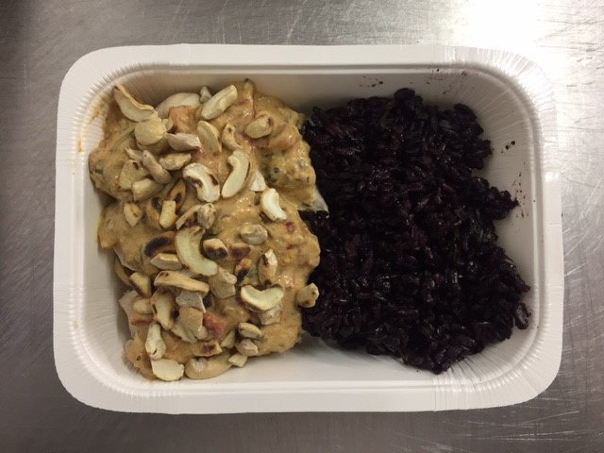 |  |  |  | 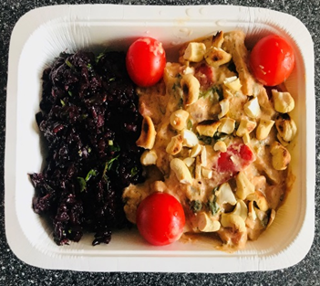

BLACK RICE (GFF238R) 110g |  |  | TOASTED CASHEW NUTS (RMKUL001-03) 15g |  |  |  | CHERRY TOMATO RTE (RMIHF001-57) 30g
 |  |  |  |  |  |  | Follow the Weight Requirement
 |  |  |  |  |  |  | Declared Weight must be 400g Minimum
ALLERGY ALERT: CRUSTACEAN, NUTS

